Data Model
3NF

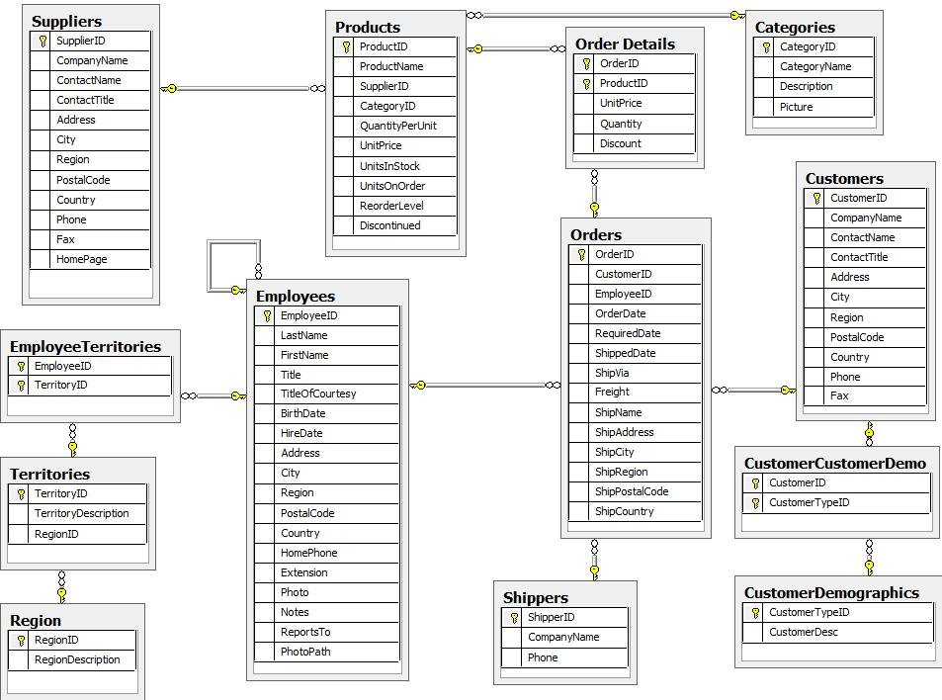

Data Vault (Raw)

 | TODO

Star Schema

 | TODO

